Sheet3
Sàn HOSE (Tài liệu) | No | Board ID | Board | Board Event ID | Board Event | Expected Time
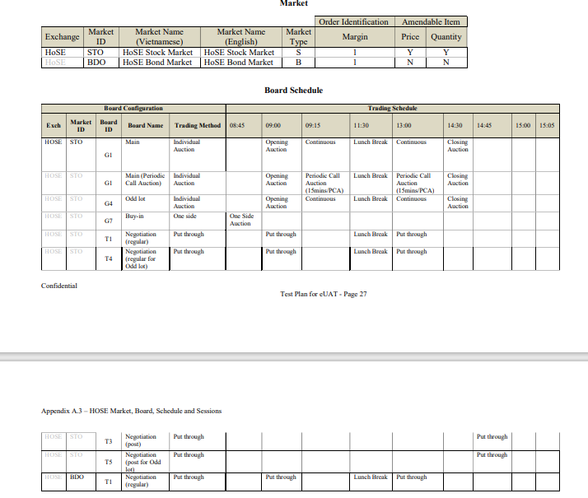
 | 3 | G4 | Odd lot | GT1 | GT Order Load | 08:55:00
 | 6 | G4 | Odd lot | AA1 | Opening CA Open | 09:00:00
 | 10 | G4 | Odd lot | AJ4 | RE Determ. Start | 09:10:00
 | 11 | G4 | Odd lot | AA2 | Opening CA Execution | 09:15:00
 | 15 | G4 | Odd lot | BB1 | Cont.A Open for Non-PCA Instr. | 09:15:00
 | 16 | G4 | Odd lot | CD1 | PCA Open | 09:15:00
 | 18 | G4 | Odd lot | AJ5 | RE Determ. End | 09:15:30
 | 21 | G4 | Odd lot | AJ5 | RE Determ. End | 09:18:00
 | 23 | G4 | Odd lot | CD3 | PCA Execution | 09:30:00
 | 25 | G4 | Odd lot | CD3 | PCA Execution | 09:45:00
 | 27 | G4 | Odd lot | CD3 | PCA Execution | 10:00:00
 | 29 | G4 | Odd lot | CD3 | PCA Execution | 10:15:00
 | 31 | G4 | Odd lot | CD3 | PCA Execution | 10:30:00
 | 33 | G4 | Odd lot | CD3 | PCA Execution | 10:45:00
 | 35 | G4 | Odd lot | CD3 | PCA Execution | 11:00:00
 | 37 | G4 | Odd lot | CD3 | PCA Execution | 11:15:00
 | 39 | G4 | Odd lot | CD3 | PCA Execution | 11:30:00
 | 43 | G4 | Odd lot | CD3 | PCA Execution | 13:15:00
 | 45 | G4 | Odd lot | CD3 | PCA Execution | 13:30:00
 | 47 | G4 | Odd lot | CD3 | PCA Execution | 13:45:00
 | 50 | G4 | Odd lot | CD3 | PCA Execution | 14:00:00
 | 52 | G4 | Odd lot | CD3 | PCA Execution | 14:15:00
 | 56 | G4 | Odd lot | CD3 | PCA Execution | 14:30:00
 | 57 | G4 | Odd lot | CC1 | Closing PCA Open | 14:30:00
 | 58 | G4 | Odd lot | BC1 | Closing CA Open | 14:30:00
 | 60 | G4 | Odd lot | AJ4 | RE Determ. Start | 14:40:00
 | 63 | G4 | Odd lot | AD2 | CA Excecution | 14:45:00
 | 68 | G4 | Odd lot | AJ5 | RE Determ. End | 14:45:30
 | 70 | G4 | Odd lot | AJ5 | RE Determ. End | 14:48:00

TTL Market Status Mapping
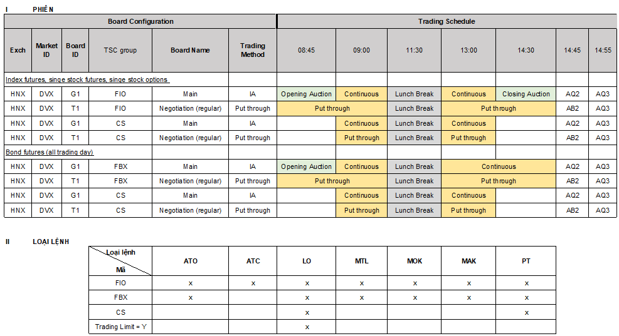
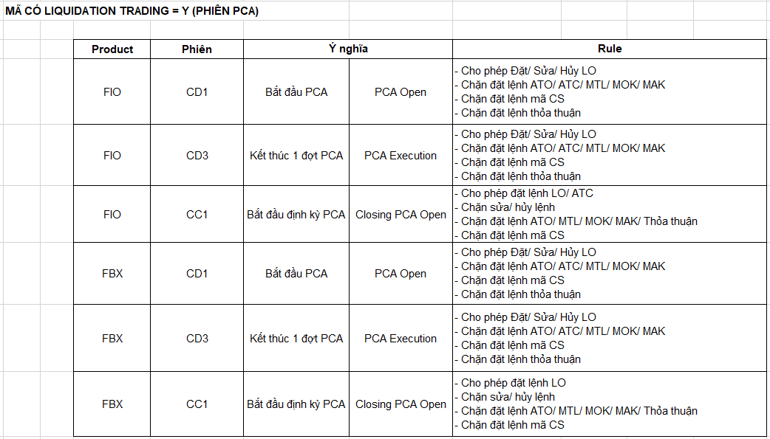
 | TTL MarketID | TTL BoardID | getExchangeID() | getSessionCode() | Note | getTradingSesStatusFullName()
 |  |  | return KRX MarketID_BoardID |  | 08:45 | 09:00 | 09:15 | 11:30 | 13:00 |  | 14:30 |  | 14:45 | 14:55 | 15:00

 |  |  |  |  | One side auction | Continuous |  | Lunch Break | Continuous |  | Closing Auction |  | Put through |  |  | G1 | : | Chính | (Main)
 |  |  |  |  |  | Start | End | Start | Start | End | Start | End | Start | End |  | G2 | : | Trước | giờ | giao | dịch | (Pre | Open)
 | HA|MAIN | HN | STX_G1 | Normal board lot |  | BB1|AX1 |  | AW8 | AW9 |  | BC1 | AC2 |  |  |  | G3 | : | Sau | giờ | giao | dịch | (Post | Close)
 |  | HN | STX_G4 | Normal oddlot |  | BB1|AX1 |  | AW8 | AW9 |  | BC1 | AD2 |  |  |  | G4 | : | Lô | lẻ | (Odd | lot)
 |  | HN | STX_T1 | PT board lot |  | AB1 |  | AW8 | AW9 |  |  | AB2 |  |  |  | G7 | : | Mua | bắt | buộc | (Buy-in)
 |  | HN | STX_T4 | PT oddlot |  | AB1 |  | AW8 | AW9 |  |  | AB2 |  |  |  | G8 | : | Bán | bắt | buộc | (Sell-out)
 |  | HN | STX_T3 | PT board lot after trading time |  |  |  |  |  |  |  |  | AB1 | AB2 |  | T1 | : | Thỏa | thuận | (regular)
 |  | HN | STX_T6 | PT oddlot after trading time |  |  |  |  |  |  |  |  | AB1 | AB2 |  | T4 | : | Thỏa | thuận | lô | lẻ(regular | for | Odd | lot)
 |  | HN | STX_G7 |  | AD1 | AD2 |  | AW8 | AW9
 |  | HN | STX_G3 | PLO board |  |  |  |  |  |  |  |  | AD1|AB1 | AB2
 |  | HN | STX_AL | All board |  |  |  |  | AW9 |  |  |  |  |  |  | T2 | : | Thỏa | thuận | trước | giờ | giao | dịch | (pre)

2 | HA|BOND | HN | HCX_G1 | Normal board lot BOND |  | BB1|AX1
 |  | HN | HCX_T1 | PT board lot BOND
 |  | HN | HCX_G7 |  | AD1 | AD2 |  | AW8 | AW9
 |  | HN | HCX_AL | ALL board |  |  |  |  | AW9
 |  |  | _
 |  |  | _ |  |  |  |  |  |  |  |  |  |  |  |  | AL | : | Tất | cả | các | Board
 |  |  | _
 |  |  | _
3 | OTC|MAIN | XHNX | UPX_G1 | Normal board lot |  | BB1|AB1 |  | AW8 | AW9 |  | BC1 | AC2|AB2 |  |  |  | T3 | : | Thỏa | thuận | sau | giờ | giao | dịch | (post)
 |  | XHNX | UPX_G4 | Normal oddlot |  | BB1|AB1 |  | AW8 | AW9 |  | BC1 | AD2 |  |  |  | T6 | : | Thỏa | thuận | sau | giờ | giao | dịch | cho | lô | lẻ | (post | for
 |  | XHNX | UPX_T1 | PT board lot |  | AB1 |  | AW8 | AW9 |  |  | AB2 |  |  |  | Odd | lot)
 |  | XHNX | UPX_G7 |  | AD1 | AD2 |  | AW8 | AW9
 |  | XHNX | UPX_AL | ALL board |  |  |  |  | AW9 |  |  |  |  |  |  | R1 | : | Thỏa | thuận | (Repo)

4 | VNFE | HN | DVX_G1 FIO_G1 | Product Group thị trường phái sinh | AA1 | AA2|BB1|CD1|CD3|AB1 |  | AW8 | AW9 | CD3 |  | BC1 | AC2|ÂD2 |  |  | AQ3
 | VNFE | HN | DVX_T1 FIO_T1 |  | AA1 |  |  | AW8 | AW9 |  | BC1 | AB2 |  |  | AQ3
 | VNFE | HN | DVX_AL FIO_AL | ALL board |  |  |  |  | AW9
 | VNFE-Bond | HN | FBX_G1 | Product Group thị trường trái phiếu | AA1 | AA2|BB1|CD1|CD3|AB1 |  | AW8 | AW9 |  | (still AW9) | AD2
 | VNFE-Bond | HN | FBX_T1 |  | AA1 |  |  | AW8 | AW9 |  |  | AB2
 | VNFE-Bond | HN | FBX_AL | ALL board
 | VNFE ALL | HN | DVX_T1 | DVX_G1 | ALL Market-board |  |  |  |  |  |  |  |  |  |  | AQ3
 |  |  | _
 |  |  | _ |  | 08:45 | 09:00 | 09:15 | 11:30 | 13:00 |  | 14:30 |  | 14:45 | 14:55 | 15:00
 |  |  | _
 |  |  | _
 |  |  | _ |  | One side auction | ATO | Continuous | Lunch Break | Continuous |  | Closing Auction |  | Put through
 |  |  | _ |  |  | Start | Start | Start | Start | End | Start | End | Start | End
5 | HO|MAIN | HM | STO_G1 | Normal board lot |  | AA1 | AA2|BB1|CD1|CD3 | AW8 | AW9|CD3 |  | BC1|CC1 | AC2
 |  | HM | STO_G4 | Normal oddlot |  | AA1 | AA2|CD1|CD3 | AW8 | AW9|CD3 |  | BC1|CC1 | AD2
 |  | HM | STO_T1 | PT board lot |  | AB1 |  | AW8 | AW9 |  |  | AB2
 |  | HM | STO_T4 | PT oddlot |  | AB1 |  | AW8 | AW9 |  |  | AB2
 |  | HM | STO_T3 | PT board lot after trading time |  |  |  |  |  |  |  |  | AB1 | AB2
 |  | HM | STO_T6 | PT oddlot after trading time |  |  |  |  |  |  |  |  | AB1 | AB2
 |  | HM | STO_G7 |  | AD1 | AD2 |  | AW8 | AW9
 |  | HM | STO_AL | ALL board |  |  |  |  | AW9
 |  |  | _
 |  |  | _
Mark | HO|BOND | HM | BDO_T1 | BOND PT order |  | AB1 |  | AW8 | AW9
 |  | HM | BDO_AL | ALL board |  |  |  |  | AW9

EI case Derivatives |  |  | (ProductID_BoardID) | getTradingSesStatusFullName() | getTradingSesControlFlag() return tag 20009 ProductID | Event | Board | Mô tả | FO note
 | VNFE | HN | (ProductID_BoardID) eg: D1DVXFUVN3_AL | EI8 | D1DVXFUVN3 | Cơ sở: Instrument Halt (theo từng mã chứng khoán) status S Phái sinh: Product Group Halt | ALL | Ngừng giao dịch toàn thị trường: - Không đặt được lệnh tại tất cả các bảng | Override all, 1st priority |  | Tương tự phiên nghỉ trưa
 | VNFE | HN | (ProductID_BoardID) eg: D1DVXFUVN3_AL | EI1 | D1DVXFUVN3 | Cơ sở: Instrument Halt relesase (theo từng mã chứng khoán) status I Phái sinh: Product group release | ALL | Cho phép giao dịch trở lại: - Bảng G1, G4 mở phiên định kỳ sau Halt (15 phút) . Chỉ được đặt lệnh LO, không sửa hủy. - Bảng T1, T4 giao dịch trở lại như bình thường. | Mã thường -> market status xml EI1 Mã PCA -> market status xml sàn |  | Tương tự phiên ATO/ATC
 | VNFE | HN | (ProductID_BoardID) eg: D1DVXFUVN3_AL | EI9 | D1DVXFUVN3 | Cơ sở: Cont.A Open after Instrument halt (theo từng mã chứng khoán) status L Phái sinh: Product group back to Continous session | G1,G4 | Quay trở lại phiên khớp lệnh liên tục | Mã thường -> market status xml sàn |  | Phiên liên tục
 |  |  |  | AE8 | AF8 |  | Market Halt | ALL | - Ngừng giao dịch toàn thị trường: - Không đặt được lệnh tại tất cả các bảng |  |  | Tương tự phiên nghỉ trưa
 |  |  |  | AE1 | AF1 |  | Market Halt relesase | ALL | Cho phép giao dịch trở lại: - Bảng G1, G4 mở phiên định kỳ sau Halt 15 phút. Chỉ được đặt lệnh LO, không sửa hủy. - Bảng T1, T4 giao dịch trở lại như bình thường. |  |  | Chỉ đặt lệnh thường, PT, không cho hủy sửa
 |  |  |  | BE9 | BF9 |  | Cont.A Open after market halt | G1,G4 | Quay trở lại phiên khớp lệnh liên tục |  |  | Phiên liên tục

 |  |  |  | DC2 | DB2 |  | Closing For LTD Last Trading Date Instrument | G1, T1 | Ngừng giao dịch đối với các mã có tatus là LTD (Last Traing Date) (case BOND Derivates ngày giao dịch cuối)

History | Author | Desc
2023-03-07 | Su.Pham | Update Hose Continuous Status: CD3
2023-03-10 | Su.Pham | Update Upcom Continuos Status: AB1
2023-03-20 | Su.Pham | Update Hose ATC, add status CC1
2023-04-04 | Su.Pham | Update HNX G3 board
25/4/2023 | Su.Pham | Update DVX G1, AA2|BB1|CD3
25/4/2023 | Su.Pham | Update DVX AL AQ3 status
2023-12-07 | Su.Pham | Add EI8, EI1, EI9 event
2023-12-07 | Su.Pham | Add AE8, AE11, BE9 event
19/7/2023 | Su.Pham | Update Cell G7, add AX1 trading status
2023-06-09 | Su.Pham | Update LTD cases of Derivatives
22/9/2023 | Su.Pham | Support VN FE Bond and Futures

